Procrastination
Procrastination Formula | Universal Law of Procrastination (ULP) |  |  |  |  | Source: | https://physicstoday.scitation.org/doi/10.1063/PT.3.3064#:~:text=According%20to%20the%20universal%20law,at%20t%3DD%2BC.

Number of days ahead at the start D = |  |  | 10 | M = | 240 |  | C: | 0.91608
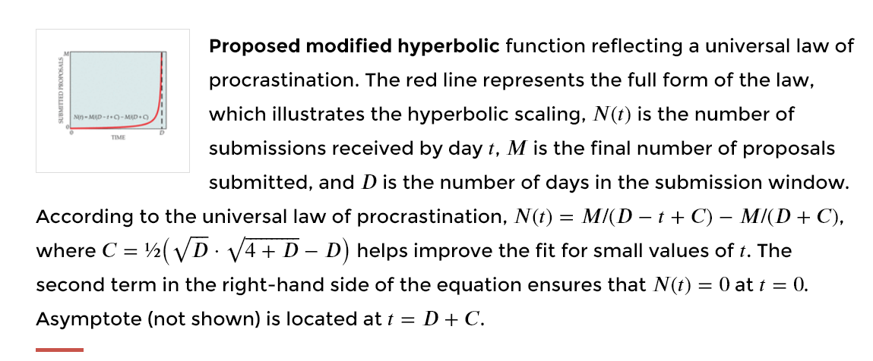
Ccumulative percentage of final expected proposals submitted M, at time (t)
 | ULP | Rule of Thumb | Formula JB | Number
Equation | 1/(D-t+c) - 1/(D+C) | 1/(D-t+1) | t/(D*(D-t+1))
t
0 | 0.0000 | 0.0909 | 0.0000 | 0
1 | 0.0092 | 0.1000 | 0.0100 | 2
2 | 0.0205 | 0.1111 | 0.0222 | 5
3 | 0.0347 | 0.1250 | 0.0375 | 9
4 | 0.0530 | 0.1429 | 0.0571 | 14
5 | 0.0774 | 0.1667 | 0.0833 | 20
6 | 0.1118 | 0.2000 | 0.1200 | 29
7 | 0.1637 | 0.2500 | 0.1750 | 42
8 | 0.2513 | 0.3333 | 0.2667 | 64
9 | 0.4303 | 0.5000 | 0.4500 | 108
10 | 1.0000 | 1.0000 | 1.0000 | 240
11 | #N/A | #N/A | #N/A | #N/A
12 | #N/A | #N/A | #N/A | #N/A
13 | #N/A | #N/A | #N/A | #N/A
14 | #N/A | #N/A | #N/A | #N/A
15 | #N/A | #N/A | #N/A | #N/A
16 | #N/A | #N/A | #N/A | #N/A
17 | #N/A | #N/A | #N/A | #N/A
18 | #N/A | #N/A | #N/A | #N/A
19 | #N/A | #N/A | #N/A | #N/A
20 | #N/A | #N/A | #N/A | #N/A |  |  |  | Example
21 | #N/A | #N/A | #N/A | #N/A |  |  |  | you set out a survey; people have to reply within 10 days; D=10
22 | #N/A | #N/A | #N/A | #N/A |  |  |  | after 5 days 20 people have responded
23 | #N/A | #N/A | #N/A | #N/A |  |  |  | What numbers of responses can you expect after 10 days?
24 | #N/A | #N/A | #N/A | #N/A
25 | #N/A | #N/A | #N/A | #N/A |  |  |  | Answer
26 | #N/A | #N/A | #N/A | #N/A |  |  |  | after 5 days (t=5), about 8% of the people will have responded
27 | #N/A | #N/A | #N/A | #N/A |  |  |  | so you expect 20/0.0833 = 240 people will have responded after day 10
28 | #N/A | #N/A | #N/A | #N/A
29 | #N/A | #N/A | #N/A | #N/A
30 | #N/A | #N/A | #N/A | #N/A

